Item Definition & Scenarios
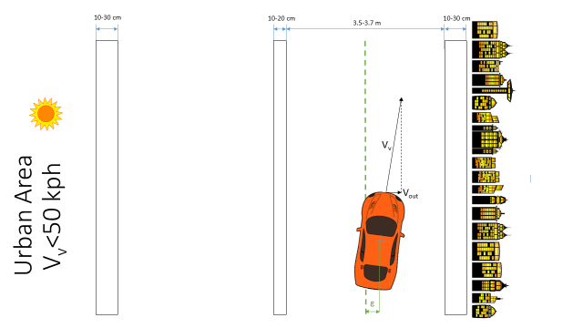
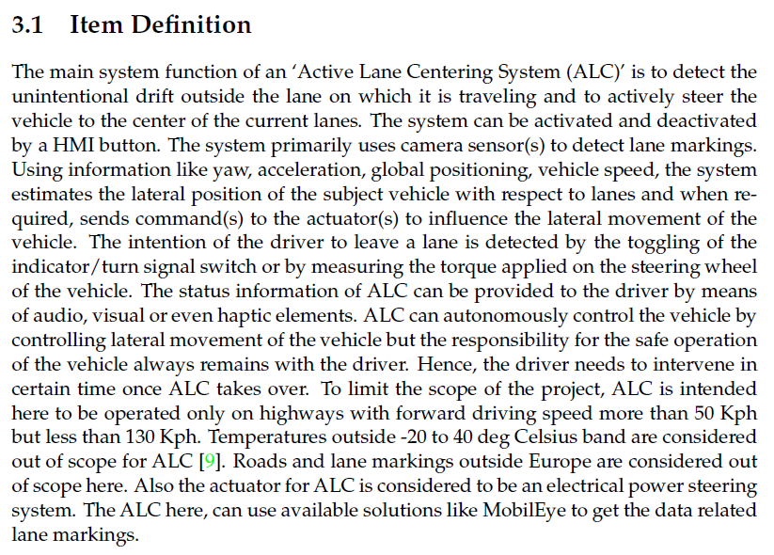
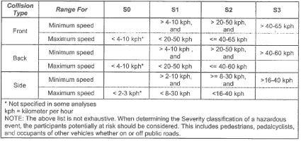
 |  |  |  |  |  |  |  |  | Severity Reference table for Impacts (No pedestrians involved)
 |  |  |  |  |  |  |  |  |  |  |  |  |  |  |  |  |  | References
 |  |  |  |  |  |  |  |  |  |  |  |  |  |  |  |  |  | [1] | Ellims, M., H. Monkhouse, and A. Lyon. "ISO 26262: Experience applying part 3 to an in-wheel electric motor." IET Conference Proceedings. The Institution of Engineering & Technology, 2011.
 |  |  |  |  |  |  |  |  |  |  |  |  |  |  |  |  |  | [2] | Euro NCAP Requirements Document
 |  |  |  |  |  |  |  |  |  |  |  |  |  |  |  |  |  | [3] | Functional Safety Project Report (ALC Team)
 |  |  |  |  |  |  |  |  |  |  |  |  |  |  |  |  |  | [4] | Tefft, Brian C. "Impact speed and a pedestrian's risk of severe injury or death." Accident Analysis & Prevention 50 (2013): 871-878.
 |  |  |  |  |  |  |  |  |  |  |  |  |  |  |  |  |  | [5] | Classification of Severity factors, ISO26262 Appendix B

 |  |  |  |  |  |  |  |  | Severity Reference table for Impacts (General/Also Pedestrians involved)
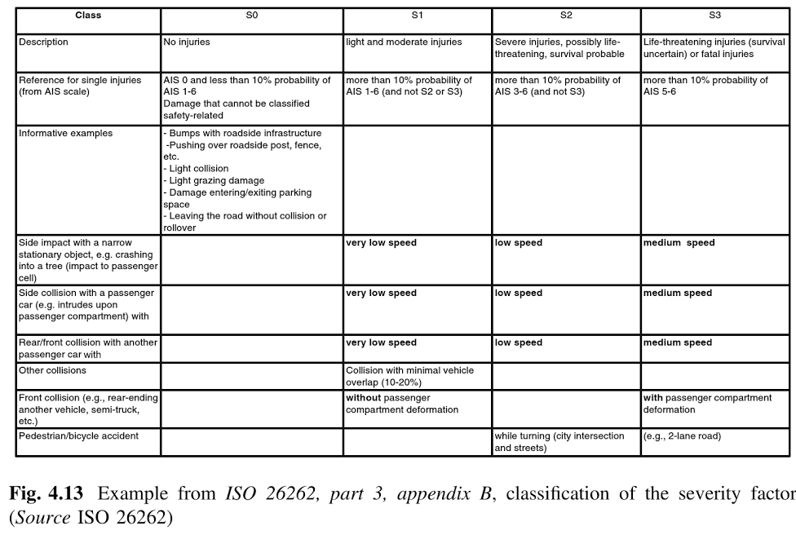

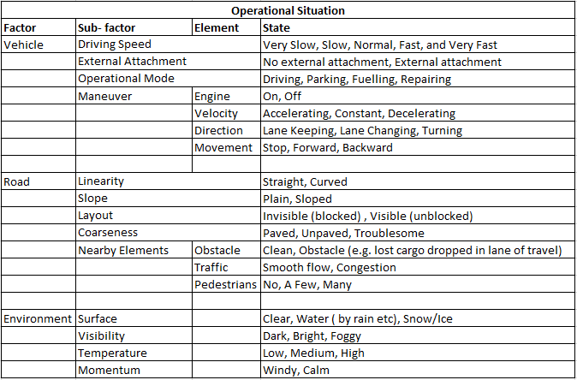
Scenario Number | Driving and Operating Situation |  |  |  |  |  |  |  |  |  |  |  |  |  |  |  |  |  | Exposure
 | Vehicle |  |  |  |  |  |  | Road |  |  |  |  |  |  | Weather
 | Driving Speed | External Attachment | Operational Mode | Maneuver |  |  |  | Linearity | Slope | Layout | Coarseness | Nearby Elements |  |  | Surface | Visibility | Temperature | Momentum
 |  |  |  | Engine | Velocity | Direction | Movement |  |  |  |  | Obstacle | Traffic | Pedestrians
1 | >50 | No | Driving | on | C/A/D | Lane Keeping | forward | Straight | Plain | Visible | paved | Clean | Smooth | No | Clear | Bright | L/M/H | W/C | E4
2 | >50 | No | Driving | on | C/A/D | Lane Keeping | forward | Curved | Plain | Visible | paved | Clean | Smooth | No | Clear | Bright | L/M/H | W/C | E4
3 | >50 | No | Driving | on | C/A/D | Lane Keeping | forward | Straight | Plain | Visible | paved | Clean | Smooth | No | Wet | Bright | L/M/H | W/C | E3
4 | >50 | No | Driving | on | C/A/D | Lane Keeping | forward | Curved | Plain | Visible | paved | Clean | Smooth | No | Wet | Bright | L/M/H | W/C | E3
5 | >50 | No | Driving | on | C/A/D | Lane Changing | forward | Straight/Curved | Plain | Visible | paved | Clean | Smooth | No | Clear | Bright | L/M/H | W/C | E4
6 | >50 | No | Driving | on | C/A/D | Lane Changing | forward | Straight/Curved | Plain | Visible | paved | Clean | Smooth | No | Wet | Bright | L/M/H | W/C | E3
7 | >50 | No | Driving | on | C/A/D | Lane Keeping | forward | Straight/Curved | Plain | Visible | paved | Clean | Congestion | No | Clear/Wet | Bright | L/M/H | W/C | E4
8 | >50 | No | Driving | off | C/A/D | Lane Keeping | forward | Straight/Curved | Plain | Visible | paved | Clean | Smooth | No | Clear/Wet | Bright | L/M/H | W/C | E1
9 | >50 | No | Driving | on | C/A/D | Lane Keeping | forward | Straight/Curved | Plain | Visible | Troublesome | Clean | Smooth | No | Clear/Wet | Bright | L/M/H | W/C | E3
10 | >50 | No | Driving | on | C/A/D | Lane Keeping | forward | Straight/Curved | Plain | Visible | paved | Clean | Smooth | No | Clear | Dark/Foggy | L/M/H | W/C | E3
11 | <50 | No | Driving | on | C/A/D | Lane Keeping | forward | Straight/Curved | Plain | Visible | paved | Clean | Congestion | No | Clear | Bright | L/M/H | W/C | E4
12 | <50 | No | Driving | on | C/A/D | Lane Keeping | forward | Straight/Curved | Plain | Visible | paved | Clean | Smooth | Yes | Clear | Bright | L/M/H | W/C | E4

Scenario 1 | E4 |  |  |  | Scenario 2 | E4 |  |  |  |  | Scenario 3 | E3 |  |  |  |  | Scenario 4 | E3
Driving on a highway |  |  |  |  | Driving on a highway |  |  |  |  |  | Driving on a highway |  |  |  |  |  | Driving on a highway
Vehicle speed >50 kph |  |  |  |  | Vehicle speed >50 kph |  |  |  |  |  | Vehicle speed >50 kph |  |  |  |  |  | Vehicle speed >50 kph
On a straight road (R>1000 m) |  |  |  |  | On a straight road (1000>R>250 m) |  |  |  |  |  | On a straight road (R>1000 m) |  |  |  |  |  | On a straight road (1000>R>250 m)
Sunny weather |  |  |  |  | Sunny weather |  |  |  |  |  | Rainy/snowy weather |  |  |  |  |  | Rainy/snowy weather
Dry road conditions |  |  |  |  | Dry road conditions |  |  |  |  |  | Wet/slippery road conditions |  |  |  |  |  | Wet/slippery road conditions
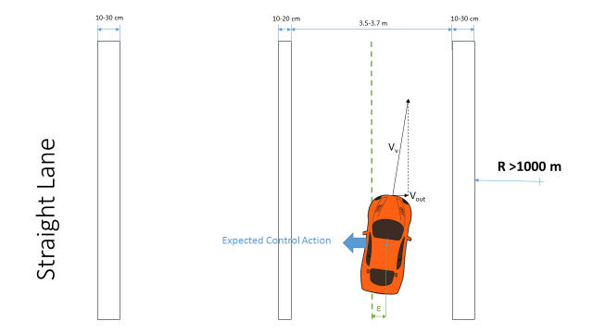
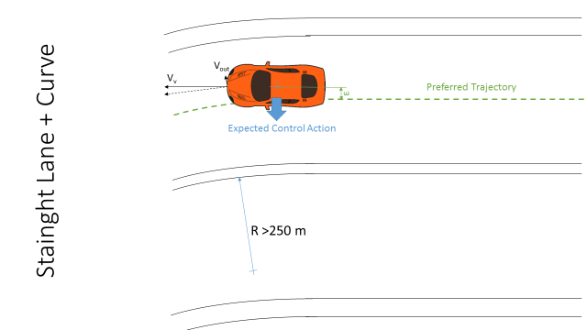

Scenario 5 | E4 |  |  |  | Scenario 6 | E3 |  |  |  |  | Scenario 7 | E4 |  |  |  |  | Scenario 8 | E1
Driving on a highway |  | Overtaking |  |  | Driving on a highway |  |  | Overtaking |  |  | Driving on a highway |  |  |  |  |  | Driving on a highway
Vehicle speed >50 kph |  |  |  |  | Vehicle speed >50 kph |  |  |  |  |  | Vehicle speed >50 kph |  |  |  |  |  | Vehicle speed >50 kph
On a straight road (1000>R>250 m) |  |  |  |  | On a straight road (1000>R>250 m) |  |  |  |  |  | On a straight road (1000>R>250 m) |  |  |  |  |  | On a straight road (1000>R>250 m)
Sunny weather |  |  |  |  | Rainy/snowy weather |  |  |  |  |  | All weather conditions |  |  |  |  |  | Engine off
Dry road conditions |  |  |  |  | Wet/slippery road conditions |  |  |  |  |  | Dry road conditions |  |  |  |  |  | All road conditions |  | All weather conditions
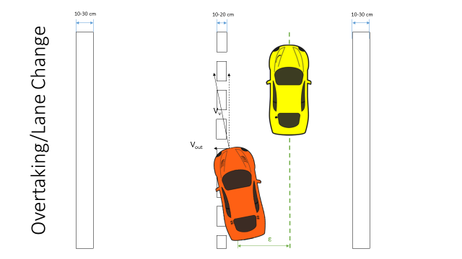
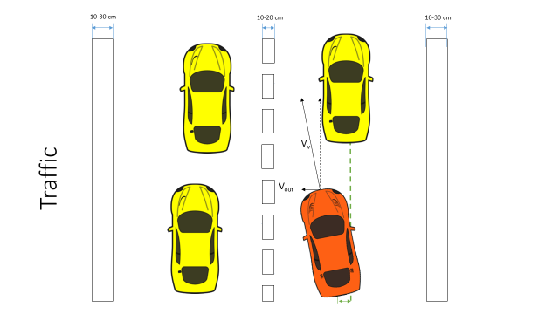
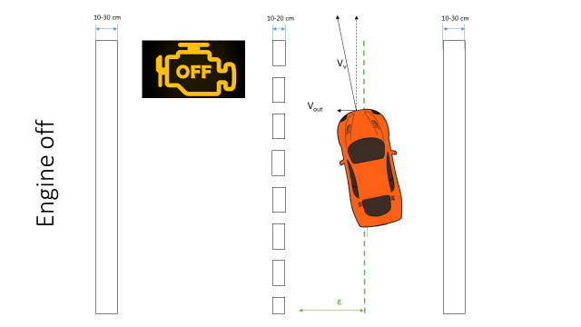

Scenario 9 | E3 |  |  |  |  |  |  |  | Scenario 10 | E3 | Obstruction of View |  |  |  |  |  | Scenario 11 | E4 | Low speed
Driving on a highway |  |  |  |  |  |  |  |  | Driving on a highway |  |  |  |  |  |  |  | Driving on a highway
Vehicle speed >50 kph |  |  |  |  |  |  |  |  | Vehicle speed >50 kph |  |  |  |  |  |  |  | Vehicle speed <50 kph
On a straight road (1000>R>250 m) |  |  |  |  |  |  |  |  | On a straight road (1000>R>250 m) |  |  |  |  |  |  |  | On a straight road (R>1000 m)
All weather conditions |  |  |  |  |  |  |  |  | Low visibility conditions/View Obstruction by an object |  |  |  |  |  |  |  | All weather conditions
Poor road conditions |  |  |  |  |  |  |  |  | All road conditions |  | All weather conditions |  |  |  |  |  | Dry road conditions
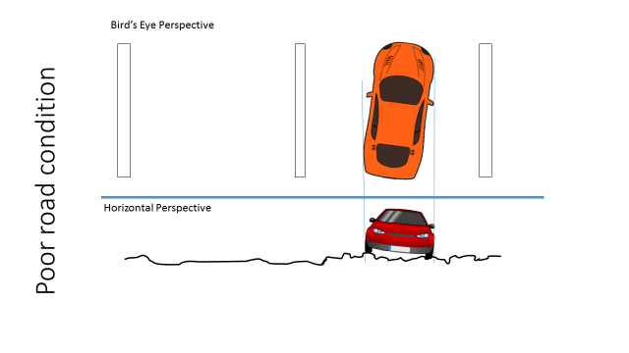
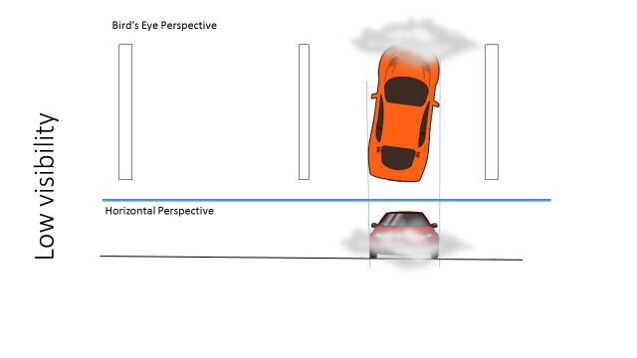
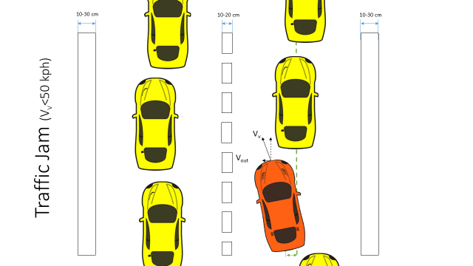

Scenario 12 | E4
Driving in urban area
Vehicle speed <50 kph
On a straight road (R>1000 m)
All weather conditions
Dry road conditions

